Images
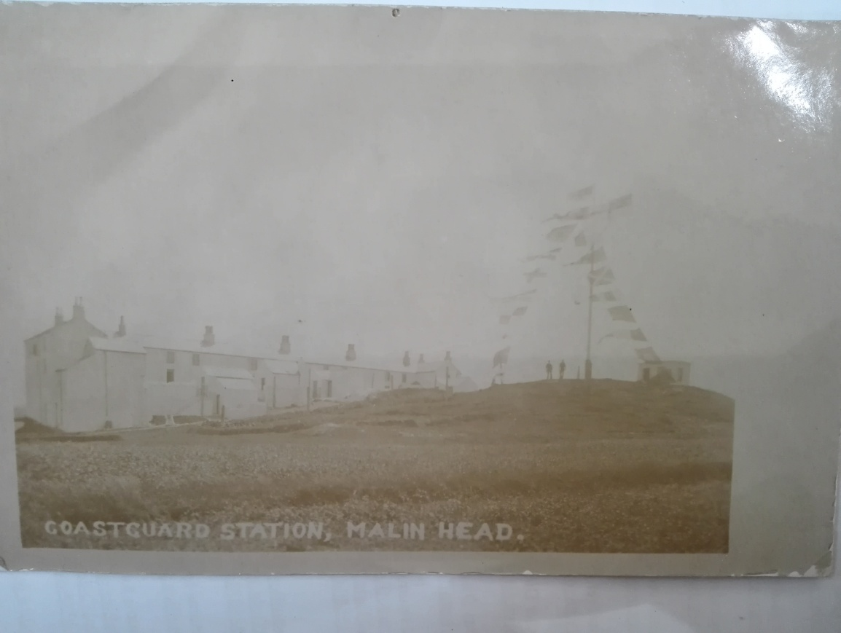

Figure 1: Coast-guard station at Malin Head circa 1908.
Source: National Meteorological Archive, Met Office.

Figure 2: Surroundings of the coast-signal station at Malin Head on 11th June 1912. Looking from South.
Source: National Meteorological Archive, Met Office.

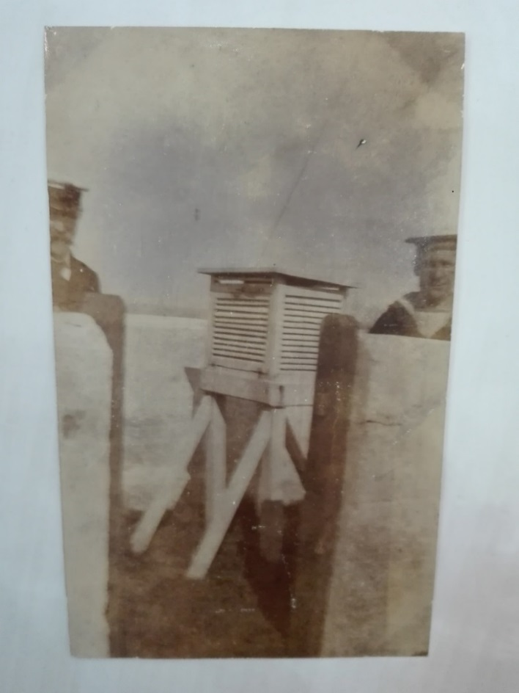

Figure 3: Coast-guards and wall enclosure of the Stevenson thermometer screen at Malin Head telegraphic reporting station in 1911, looking E.
Source: National Meteorological Archive, Met Office.

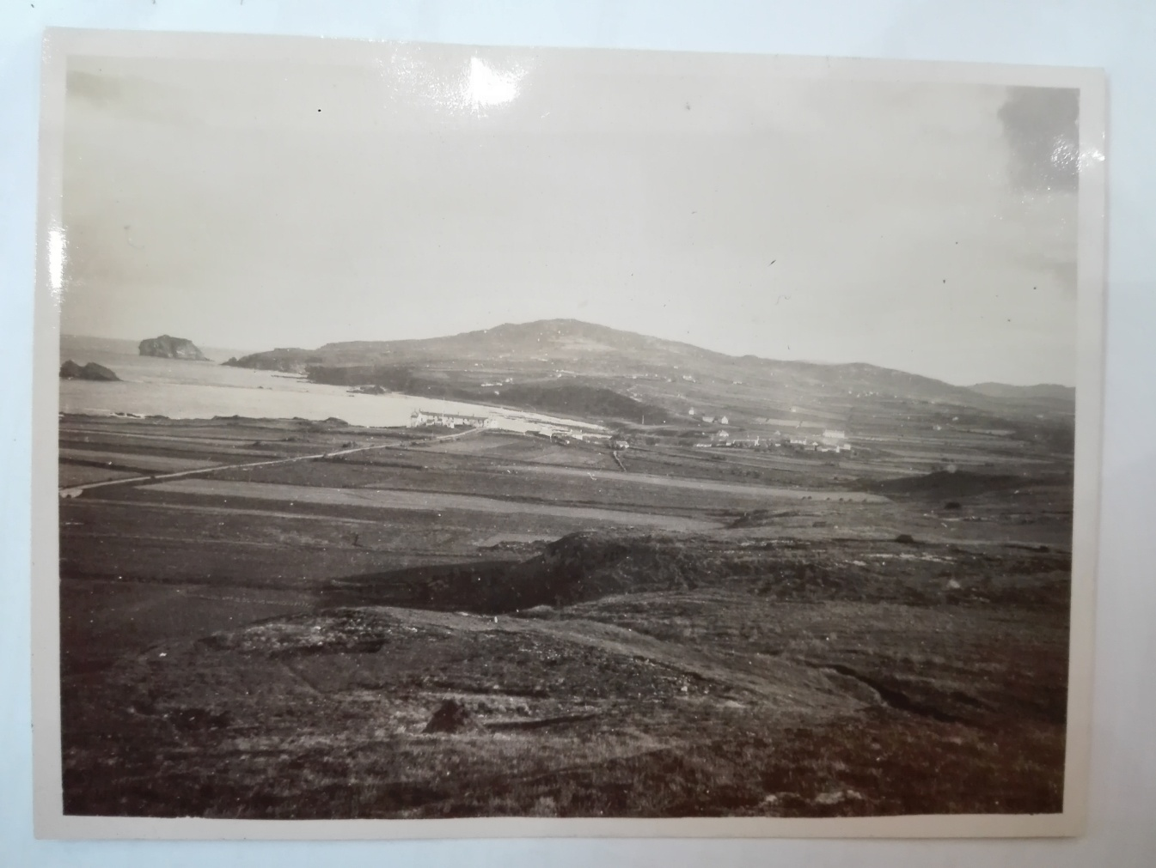

Figure 4: Malin Head looking E.S.E in 1925.
Source: National Meteorological Archive, Met Office.

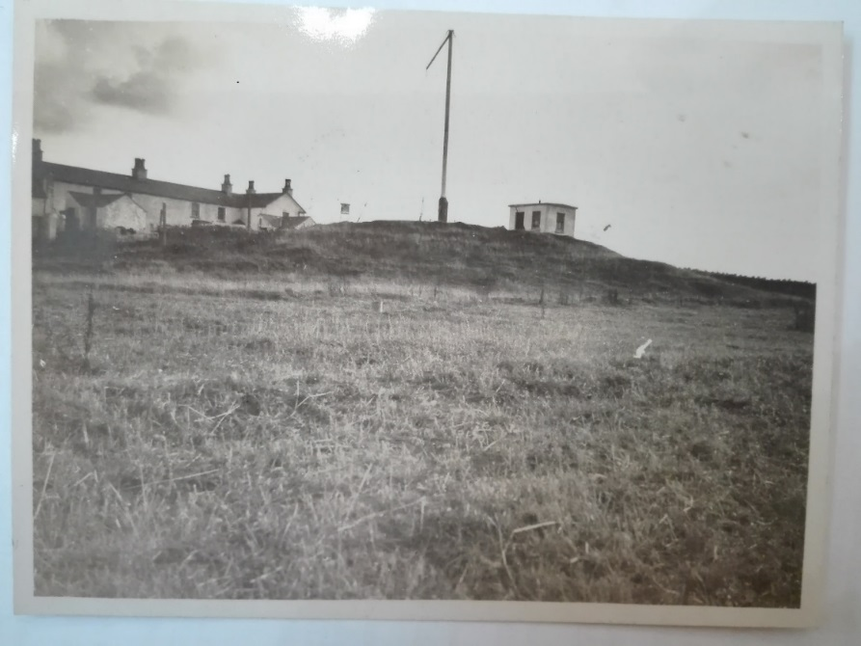

Figure 5: Stevenson screen at Malin Head telegraphic reporting station in 1925.
Source: National Meteorological Archive, Met Office.

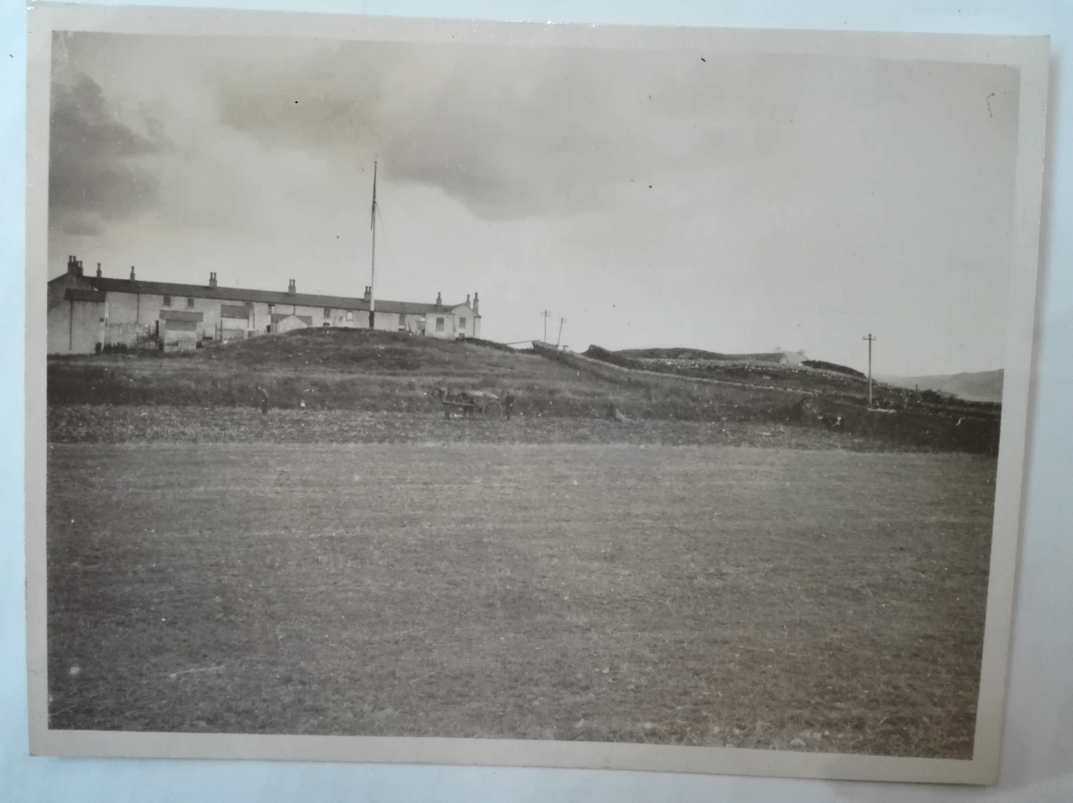

Figure 6: Surroundings of station site at Malin Head.
Source: National Meteorological Archive, Met Office.

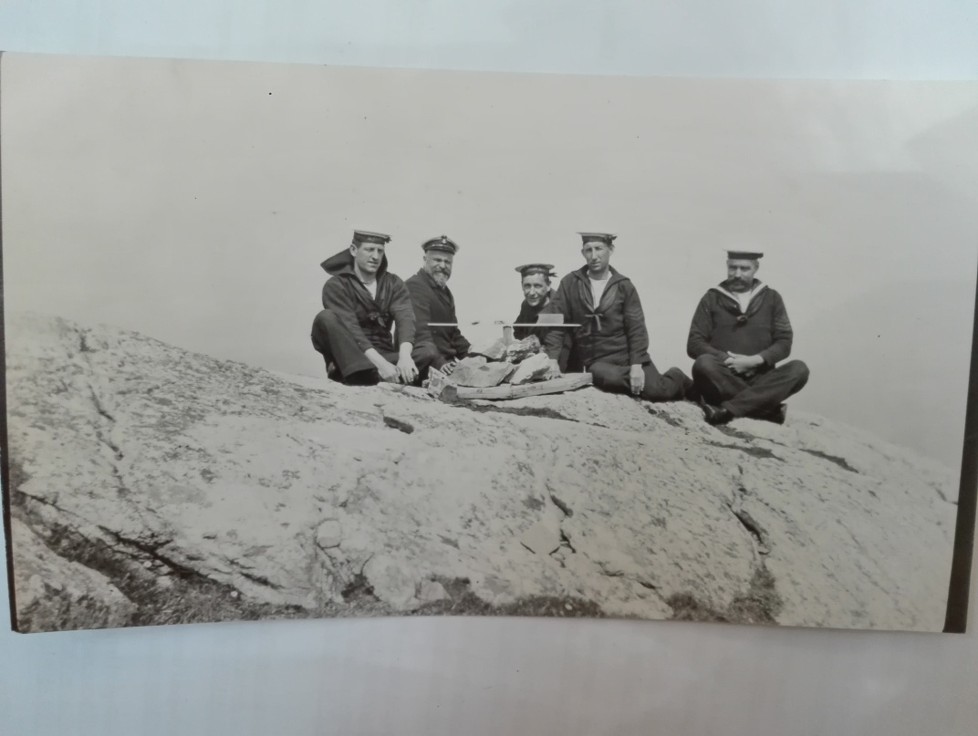

Figure 7: Coast-guards at Malin Head telegraphic reporting station.
Source: National Meteorological Archive, Met Office.

